Indices

 | Iraq Stock Exchange
 | Bulletin No (187)

 | ISX Trading Indices of Monday 20/10/2025

 | Traded Volume and OTC |  | 1,114,684,675 |  | Traded Value and OTC |  | 724,047,363 |  | Traders | 770

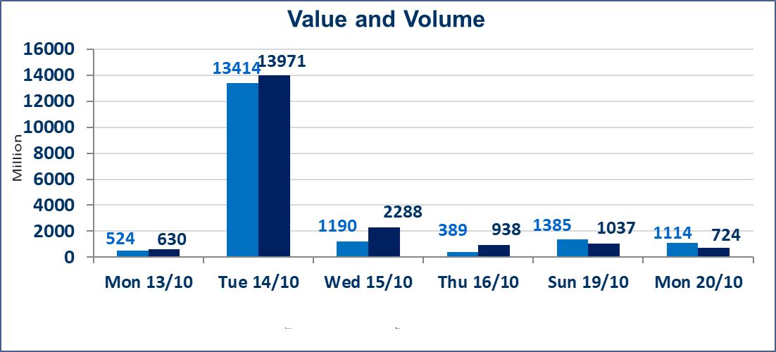
 | ISX Index 60 |  |  | 921.81 | ISX Index 15 |  |  | 1115.80
 | Previous ISX Index60 |  |  | 925.78 | Previous ISX Index15 |  |  | 1107.93
 | Change % |  |  | -0.43 | Change % |  |  | 0.71
 | Change |  |  | -3.97 | Change |  |  | 7.87

 | Listed Companies | 104 | OTC | 11 | Non Traded listed | 43 | OTC | 9
 | Traded Listed Companies | 47 | OTC | 1 | Higher Companies |  |  | 10
 | GAM Companies |  |  | 4 | Lower Companies |  |  | 17
 | Suspended Companies |  |  | 10
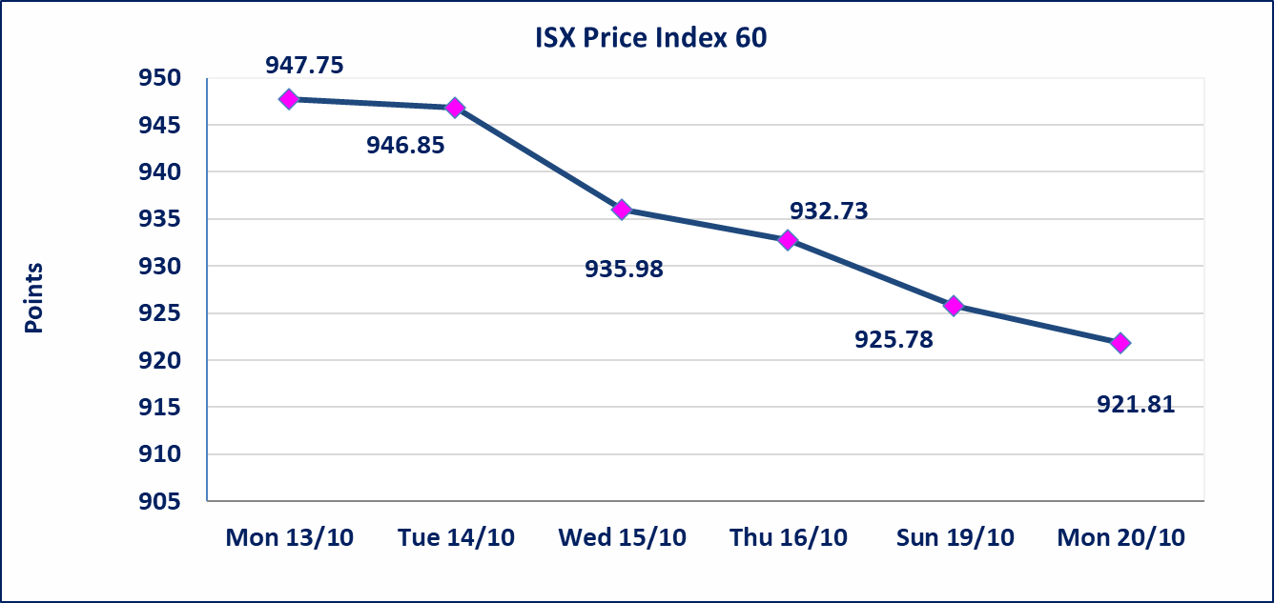
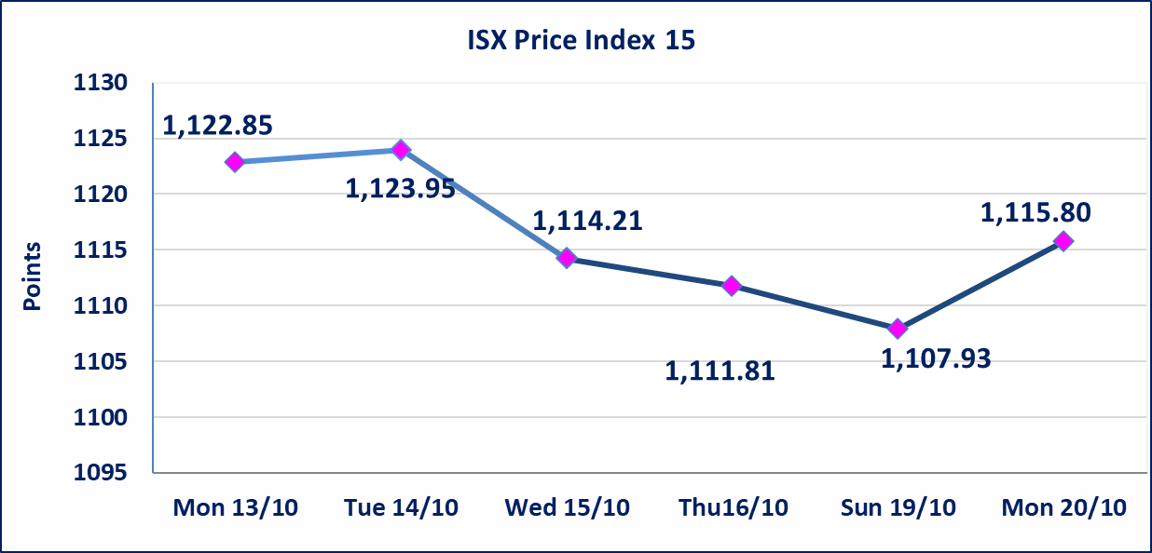

Al-Alwiya P.O . 3607 Mobile: 07711211522 - 07270094594 - 07834000034 E-mail: info-isx@isx-iq.net Web site:www.isx-iq.net

Top 5
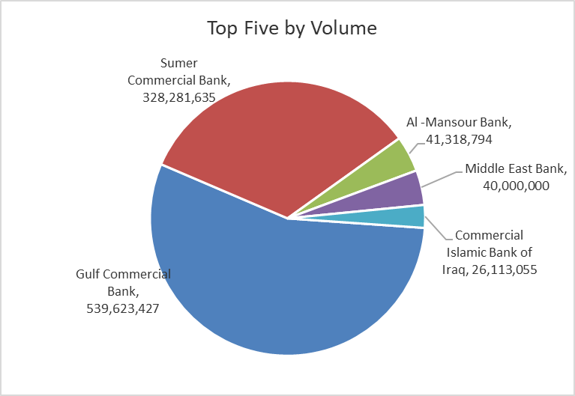
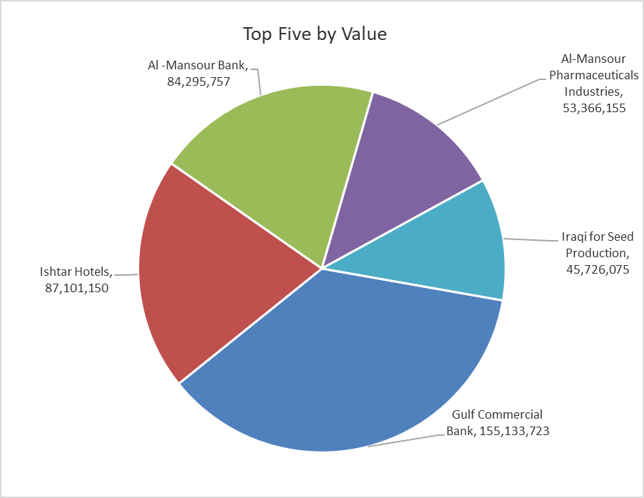
ISX top ganing and losing companies
Monday 20/10/2025
Gainers |  |  |  | Losers
Company Name | Closing Price | Change (%) | Traded Volume | Company Name | Closing Price | Change (%) | Traded Volume
Babylon Hotel | 105.000 | 4.99 | 1,300 | Al-Ameen Estate Investment | 1.560 | -7.69 | 1,213,468
Palestine Hotel | 29.710 | 4.98 | 1,504,700 | Iraqi For Tufted Carpets | 16.000 | -5.88 | 20,100
Electronic Industry | 1.220 | 4.27 | 2,399,692 | Commercial Islamic Bank of Iraq | 0.720 | -4.00 | 26,113,055
Al-Sadeer Hotel | 24.750 | 4.21 | 54,566 | Iraqi Date Processing and Marketing | 2.700 | -3.57 | 8,843
Modern Construction Materials | 0.540 | 3.85 | 116,322 | Gulf Commercial Bank | 0.280 | -3.45 | 539,623,427

The most active companies in term of traded volume and value

Traded Volume |  |  |  | Traded Value
Company Name | Closing Price | Change (%) | Traded Volume | Company Name | Closing Price | Change (%) | Traded Value
Gulf Commercial Bank | 0.280 | -3.45 | 539,623,427 | Gulf Commercial Bank | 0.280 | -3.45 | 155,133,723
Sumer Commercial Bank | 0.090 | 0.00 | 328,281,635 | Ishtar Hotels | 9.130 | -0.65 | 87,101,150
Al -Mansour Bank | 2.040 | -0.49 | 41,318,794 | Al -Mansour Bank | 2.040 | -0.49 | 84,295,757
Middle East Bank | 0.060 | 0.00 | 40,000,000 | Al-Mansour Pharmaceuticals Industries | 2.500 | -0.79 | 53,366,155
Commercial Islamic Bank of Iraq | 0.720 | -4.00 | 26,113,055 | Iraqi for Seed Production | 5.470 | -0.55 | 45,726,075

Non Iraqis

Iraq Stock Exchange
Non Iraqis' Bulletin Monday October 20 2025
Regular Market

Non Iraqi Trading of Regular Market (Buy)
Company Names | Code | No.of trades | Traded Shares | Trading Volume
Banks Sector
Bank Of Baghdad | BBOB | 1 | 15,000 | 51,300
Iraqi Islamic Bank | BIIB | 7 | 4,295,354 | 4,338,308
Total Bank sector |  | 8 | 4,310,354 | 4,389,608
Telecommunication Sector
Asia cell | TASC | 1 | 136,559 | 1,610,031
Total Telecommunication sector |  | 1 | 136,559 | 1,610,031
Grand Total |  | 9 | 4,446,913 | 5,999,638

Non Iraqi Trading of Regular Market (Sell)
Company Names | Code | No.of trades | Traded Shares | Trading Volume
Banks Sector
National Bank Of Iraq | BNOI | 1 | 235,849 | 1,000,000
Total Bank sector |  | 1 | 235,849 | 1,000,000
Grand Total |  | 1 | 235,849 | 1,000,000

